NatGas Calculations
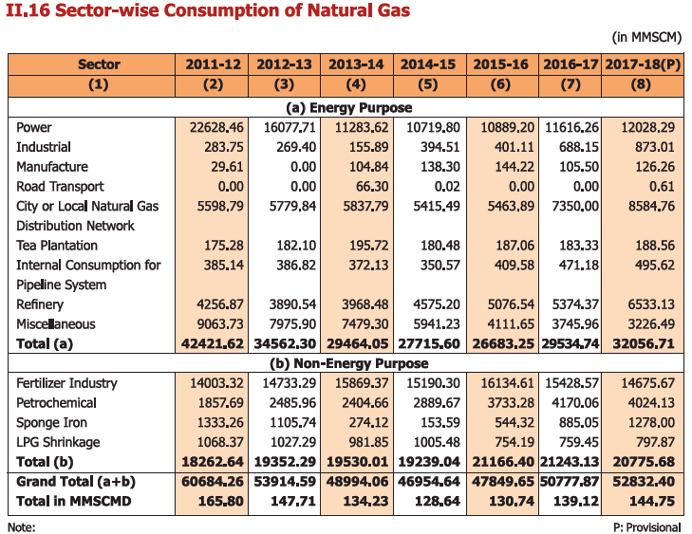
Natural Gas
 | 2017-18 | Unit
Northeast Total Consumption Subsidy | 435 | Crores
 | 4.35E+09 | Rs

Total consumption of Natural Gas | 52832.4 | Million Metric Standard Cubic Meters

Conversions | 8.23E+04 | Rs/MMSCM
 | 8.23E+01 | Rs/thousand metric cubic meter
 | 2.29E-06 | Rs/BTU
 | 3.33E-08 | USD/BTU

 |  |  | Source: Indian Petroleum & Nat Gas Statistics, 2017-18
 |  |  | Table II.16, Page 32

Coal_Indirect
Subsidy (in INR crores) | 2013 | 2014 | 2015 | 2016 | 2017 | 2018 | 2019 | 2020 | 2021 | 2022 | 2023 | 2024 | 2025 | 2026 | 2027 | 2028 | 2029 | 2030 | 2031 | 2032 | 2033 | 2034 | 2035 | 2036 | 2037 | 2038 | 2039 | 2040 | 2041 | 2042 | 2043 | 2044 | 2045 | 2046 | 2047 | 2048 | 2049 | 2050
Concessional costom duty rateson import of coal |  | 7991 | 7839 | 6452 | 6688
Concessional excise duty rates on coal production |  | 6215 | 6526 | 6886 | NA
Concessional duty rebates on coal mining equipment |  | 46 | 59 | 35 | NA
Total |  | 14252 | 14424 | 13373 | 6688
Total in $ |  | 2250434233.4 | 2174909529.6 | 1968064753.5 | 1046307884.9
Coal consumption (million tonnes) |  | 868.79 | 878.94 | 884.72
Coal consumption (in BTU) |  | 2.28E+16 | 2.32E+16 | 2.34E+16
$/BTU | 9.86E-08 | 9.86E-08 | 9.36E-08 | 8.42E-08 | 8.42E-08 | 8.42E-08 | 8.42E-08 | 8.42E-08 | 8.42E-08 | 8.42E-08 | 8.42E-08 | 8.42E-08 | 8.42E-08 | 8.42E-08 | 8.42E-08 | 8.42E-08 | 8.42E-08 | 8.42E-08 | 8.42E-08 | 8.42E-08 | 8.42E-08 | 8.42E-08 | 8.42E-08 | 8.42E-08 | 8.42E-08 | 8.42E-08 | 8.42E-08 | 8.42E-08 | 8.42E-08 | 8.42E-08 | 8.42E-08 | 8.42E-08 | 8.42E-08 | 8.42E-08 | 8.42E-08 | 8.42E-08 | 8.42E-08 | 8.42E-08
$/MWh |  | 0 | 0 | 0 | 0 | 0 | 0 | 0 | 0 | 0 | 0 | 0 | 0 | 0 | 0 | 0 | 0 | 0 | 0 | 0 | 0 | 0 | 0 | 0 | 0 | 0 | 0 | 0 | 0 | 0 | 0 | 0 | 0 | 0 | 0 | 0 | 0 | 0

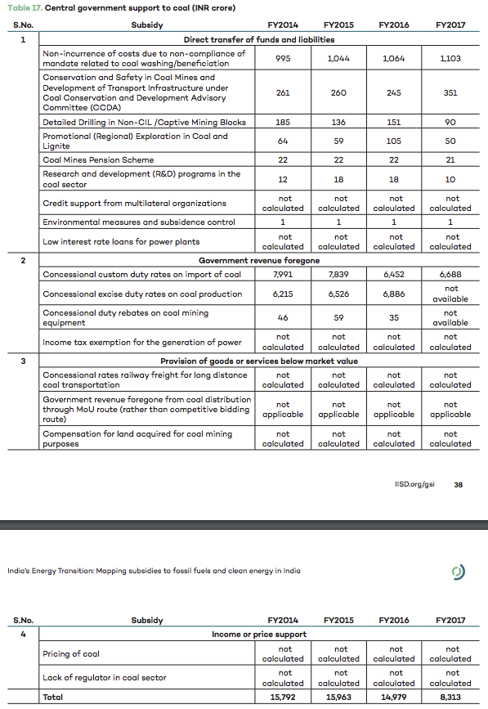
Year |  | Coal # | Lignite
 |  | (Million Tonnes)
1 |  | 2 | 3
2007-08 |  | 502.82 | 34.65
2008-09 |  | 549.57 | 31.85
2009-10 |  | 585.30 | 34.41
2010-11 |  | 589.87 | 37.69
2011-12 |  | 642.64 | 41.89
2012-13 |  | 688.75 | 46.01
2013-14 |  | 724.18 | 43.90
2014-15 |  | 821.85 | 46.94
2015-16 |  | 836.73 | 42.21
2016-17 |  | 841.56 | 43.16
Growth rate of 2016-17 over 2015-16 (%) |  | 0.58 | 2.24
CAGR 2007-08 to 2016-17(%) |  | 5.29 | 2.22

Conversion Rates

Ruppees per dollar
2010 |  | 44.81
2011 |  | 53.26
2012 |  | 54.77
2013 |  | 61.89
2014 |  | 63.33
2015 |  | 66.32
2016 |  | 67.95
2017 |  | 63.92

